Instructions
EXCEL BRUCELLOSIS VACCINATION CERTIFICATE INSTRUCTIONS

When you open this document, you will see three Worksheets labeled “Instructions” (in blue), “Vaccination Record” (in red), and “Data Input” (in green) at the bottom of the screen towards the left side.

Click the worksheet and complete the top portion. Cells that should not be edited are protected. You can tab through the cells starting with ‘Herd Owner’.
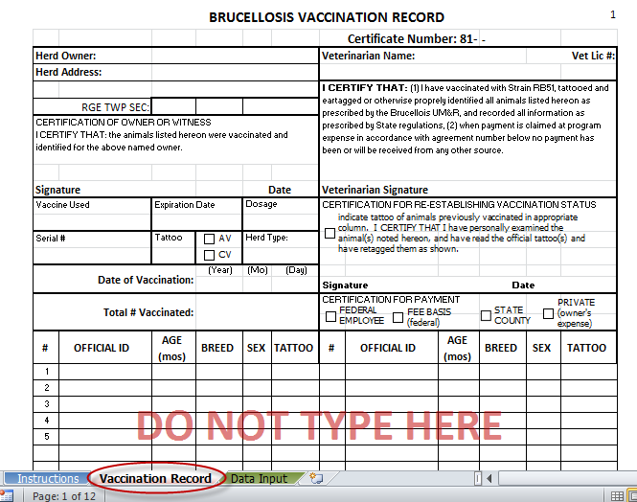

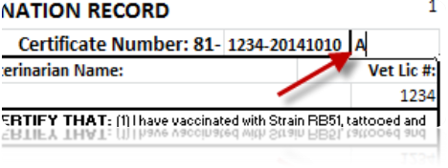
The certificate number is generated automatically based on your license number and the date of vaccination.
If you vaccinate more than one group of animals in a single day, add an 'A' after the certificate number in the box immediately above 'Vet Lic #'; 'B' for the second certificate, and so on.

ADDING ANIMAL DATA
Click on the worksheet to enter your animal information.

Paste or manually enter animal data into the columns provided
IMPORTANT: Do NOT use Cut/Paste on this worksheet!
Fill in Column A, “#”, for each animal
As you type, Autofill* or paste data into this worksheet, it will automatically appear on the Vaccination Record
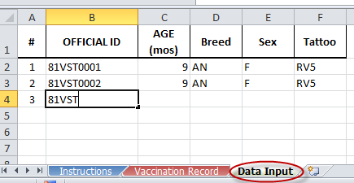

*Autofill is a quick method of entering data. For help with Excel, try viewing this YouTube video: https://www.youtube.com/watch?v=2FTxjK60gKM

Maximum number of animals per certificate: 622
If you are vaccinating more than 622 animals in one day, please contact our office and we will provide a template that can accommodate more animals.
When working animals over multiple days, create a new certificate for each day.

PRINTING VACCINATION RECORD
Click on the worksheet. Identify the number of pages to print by scrolling through the worksheet. At the top of the screen, click File and Print. Under Settings, insert the page range to print (Page: 1 to __ ). Click the Print button at the top of the screen.

Email this Excel file to:
AGR.Records.NE@Nebraska.gov

Email this original Excel file as soon as complete. Files must be received in the Nebraska Dept of Agriculture within 10 days of vaccination. Do not mail a hard copy; email this Excel file to:
AGR.Records.NE@Nebraska.gov

